Hiearchy View
CLASS: EVACUATION CHAIR
life-saving device for EMTs or firefighters to utilize to evacuate and transport wheelchair users, less able-bodied people, or injured and disabled people safely and quickly up or down stairways and tight places in single or multi-story buildings in the event of medical emergencies, fires, terrorism or earthquakes. |  | 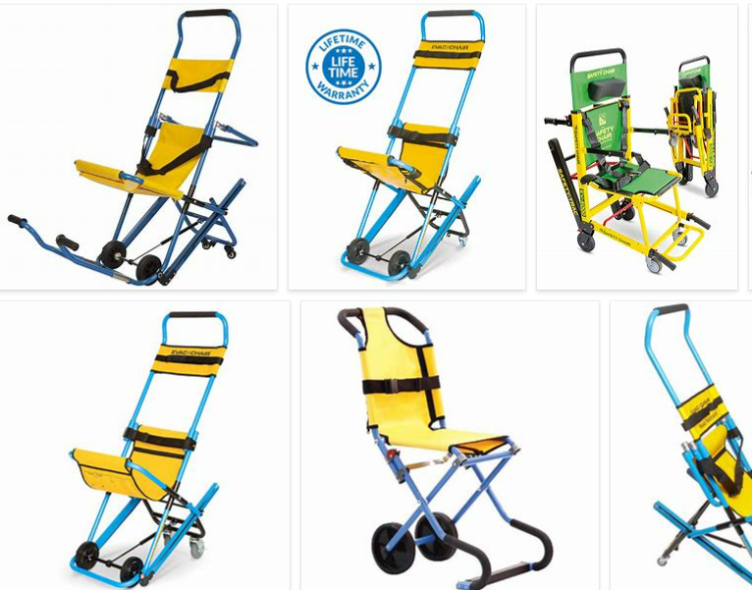
REMOVE | N

PROBLEM_DESC | CAUSE_DESC | REMEDY_DESC
BROKEN/DAMAGED
NOISE
OTHER PROBLEM
POWER-ELEC
STOPPED/SLOWED/POOR OPS
TEMP-CTRL
Grand Total

